LESSON13 Q36
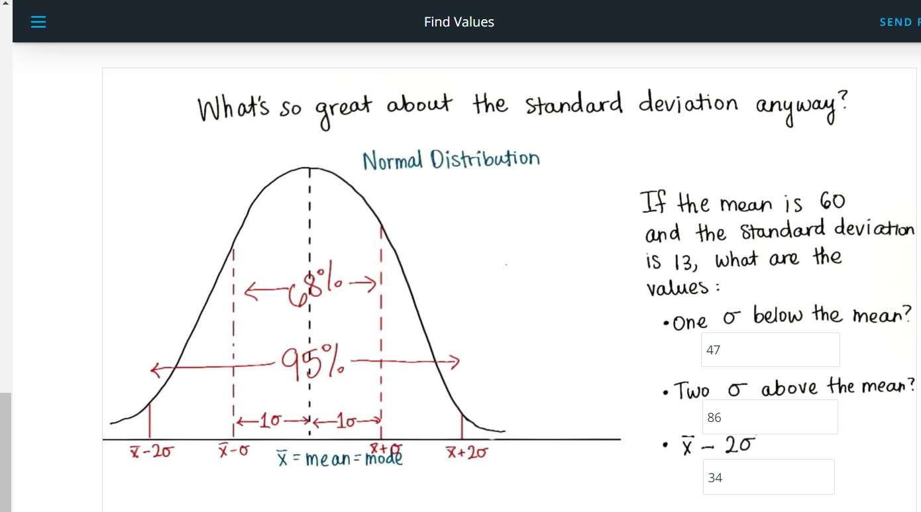
Table of Std Deviation | Mean ()
 | 60

 | Standard Deviation (σ)
 | 13

 |  - 2σ | 34
 |  - 1σ | 47
 |  + 1σ | 73
 |  + 2σ | 86

